Bugs
 | bugs

Bug 1

Title
Want to proceed as a guest' button doesn't work

Device
Mobile(Galaxy S 10)

Steps
1. Open app
2. Confirm start screen
3. Click 'I want proceed as a guest'

Exception
Click on 'Want to proceed as a guest button' should to guest screen
Actual
Nothing happens

Bug 2

Title
Screen stuck on login when sign me button clicked

Device
Mobile(Galaxy S 10)

Steps
1. Open app
2. Confirm start screen
3. Click on mail icon for register by mail
4. Fill all the fileds
5. Click register

Exception
Except to get success regitration
Actual
Stuck on login

Bug 3

Title
English text wrriten on right side

Device
Mobile(Galaxy S 10)

Steps
1. Open app
2. Confirm start screen
3. Click I have account
4. Insert mail

Exception
English text should be wrriten on left side
Actual
The text is on right side

Bug 4

Title
Facebook button doesn't work in mobile

Device
Mobile(Galaxy S 10)

Steps
1. Open app
2. Confirm start screen
3. Click on facebook icone

Exception
Screen moves to facebook page
Actual
Nothing happens

Bug 5

Title
Screen stuck on login when enter to my account button clicked

Device
Mobile(Galaxy S 10)

Steps
1. Open app
2. Confirm start screen
3. Click on I have account
4. Fill the fileds
5. Click ok
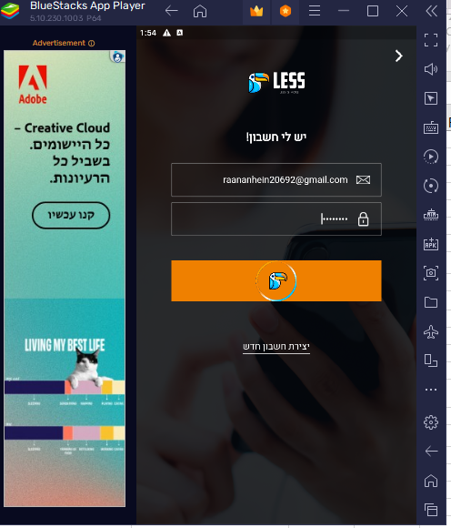

Exception
Screen moves to account user
Actual
Nothing happens

